Big Chart
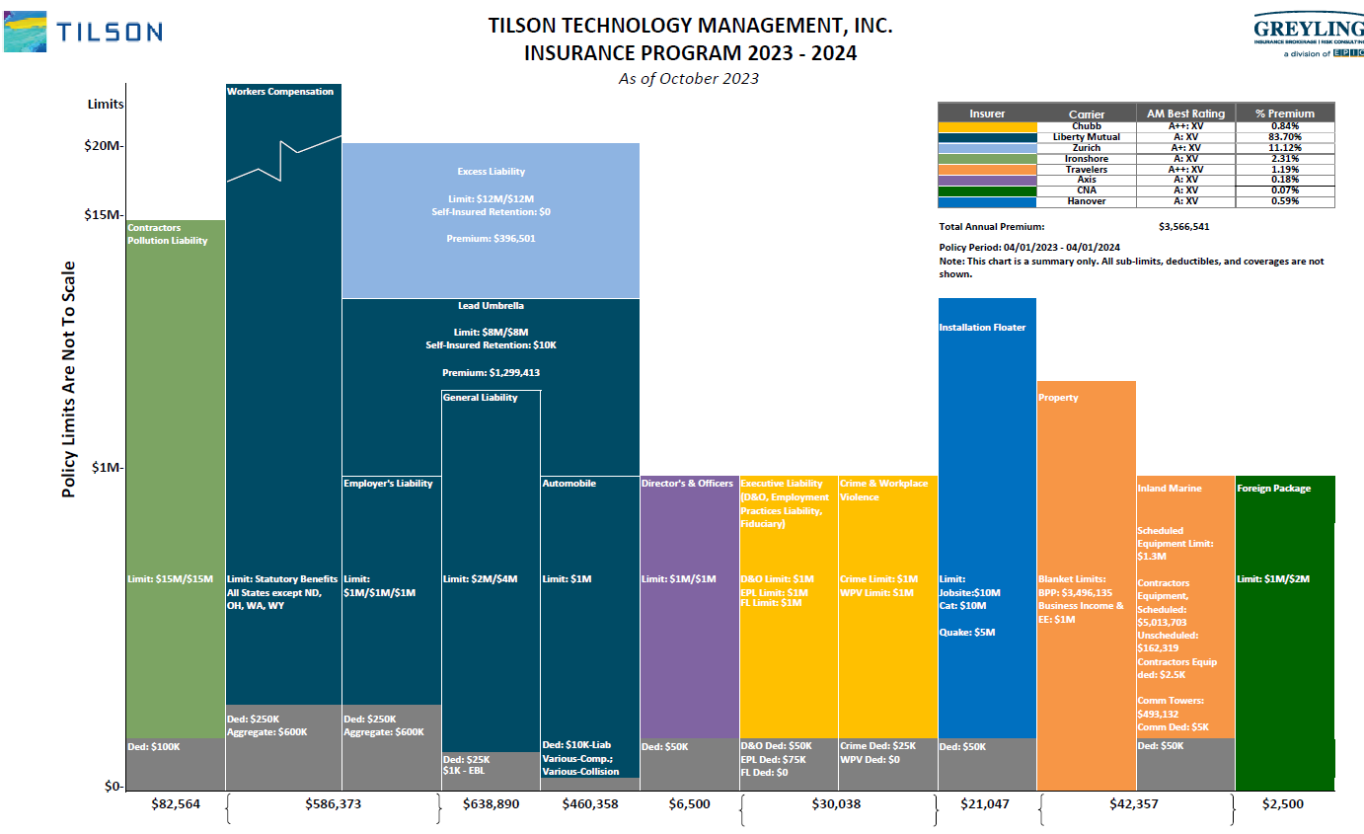

Automobile

Named Insued

Liability Deductible | $10,000
Collision | No Coverage
Physical Damage loss of use of a rental vehicle | no coverage because insured does not carry physical damage
Hired Car Physical Damage | Yes, VA None
Rental Reimbursement | $30 day up to $900 only if you have comp and collision therefore since they only carry comprehensive they only have rental for comprehensive coverage however VA has coverage included, VA None
Owner Operator | No Coverage but don’t think it is an issue because of their operations
Livery and Delivery | Excluded however do not think it is an issue because of their operations
Glass Deductible | for replacement but not for repair
Physical Damage to vehicle tracking device | $200
Loan Lease Gap | up to $1,500; NY None, VA None
Limited Coverage | Mexico
Autos you lease, hire or borrow for six month or more | is considred a covered auto therefore the hired pd would not apply if auto is rented for six months or more
Composite Rated | yes, different rates for each state
Employees as insureds | yes, no VA
AI | yes via written contract
loss of use of a hired auto | if comp loss yes, if coll loss no since they don’t purchase it
DOC | if name listed on policy will provide coverage (currently no one named on the policy)
waiver of subrogation | yes via written contract
primary non contributory | yes via written contract

Lead Umbrella
Named Insured


Auditable | No
SIR | 100,000
crisis management | 250,000

Limitations:
Foreign Liability Limitation
Limited Contractual Liability-Railroads
Personal and Advertising Injury
Damage to your work amendment
non cumulation of liability (concurrency)

Enhancements:
Per project agg | capped at $10,000,000
AI | yes
Primary | yes
waiver | yes

Exclusions:
Professional with means and methods carve back
wrap up
sublimit exclusion
Engineers, Architects or Surveyors Professional
Construction Management E&O
EDP Processing, Computer Consulting or Programming Services Professional
Unlawful Discrimination
Lead
Electromagnetic Fields and Electromagnetic Radiation
EIFS
Biometric Information Privacy Claim
Pollution | we should ask for hostile fire carve back
TRI
aircraft
asbestos
damage to your product
damage to your work
damage first occurring prio to policy period
access or disclosure of confidential or personal information and data related liability w-ltd BI exception
Foreign
fungus
expected or intended injury
Nuclear Energy

this policy is not sitting over the foreign

General Liability
Named Insured:
Tilson Technology Management Inc


Composite Rate

Deductible | $25,000
Damages within the deductible erode the policy limits

Endorsements:
Primary and Non Contributory
Waiver of Subrogation
Per Project Aggregate
CG2010 10/01 | $15,000,000 Max
CG20 37 10/01
(they also have 12/19 edition date)
Contractual Liability Railroads
Enhancement for Contractors
Blanket AI Architects, Engineers or Surveyors
AI State or governmental agency or subdivision or political subdivision-permits or authorization relating to premises
Damage to your work amendment
non cumulation of liability (same occurrence)
AI Designated Person | Crown Castle, Island Tower, Plenary Broadband, PBI PA Holdco

Exclusions:
Wrap up
TRIA
Total Pollution | Ask for hostile fire exception
Cyber
EPLI
Fungus
E&O
Engineers, Architects or Surveyors Professional
Professional EDP Services and Computer Consulting or Programming Services
Asbestos
Silica
Electromagnetic Fields and Electomagnetic Radiation
EIFS
Damage first occurring prior to policy
Biometric information privacy claim
Construction management
Nuclear Energy
amendment of insured contract | in whole or in part and reduces sole negligence

we should offer them or see if Liberty will give Equipment Data Liability coverage

